Describe Azure storage accounts
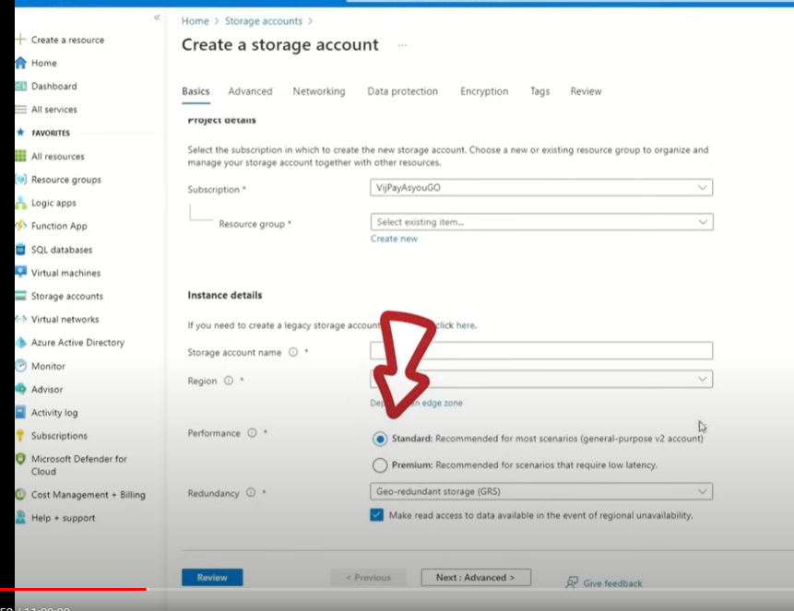
azure storage account |  |  | IaS

Core storage
 | Azure Blob Storage
 |  | object storage
 |  | store unstructured data such as text or binary data.

 |  | is ideal for serving images or documents directly to a browser,
 |  | storing data for archives or distributed access,
 |  | streaming video and audio,
 |  | and disaster recovery scenarios.

 | Azure File Storage
 |  | file shares in the cloud
 |  | just like connecting to shares on your local network.
 |  | Azure files
 |  |  | PaaS

 | Azure Disk Storage
 |  | provides disks for virtual machines and applications to access and use as they need

 | Azure Table Storage
 |  | NoSQL data store for key value pairs

 | Azure Queue Storage
 |  | provides asynchronous message queuing for communication between application components

There are three Azure storage tiers that you can use to balance your costs:
 | hot | accessed frequently
 |  | such as images for your website.

 | cold | infrequently accessed
 |  | stored for at least 30 days
 |  | such as customer invoices.

 | archive | rarely accessed
 |  | stored for at least 180 days
 |  | such as long-term backups

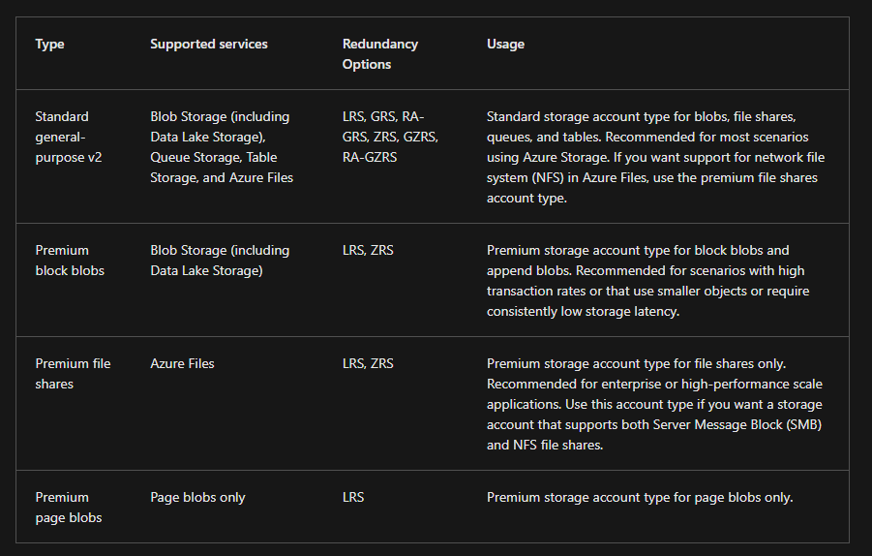

US and Europe can have up to 2PB Storage accounts. All other regions are 500TB

Azure storage redundancy
Azure Storage always stores multiple copies of your data so that it's protected from planned and unplanned events

Redundancy in the primary region
 | Locally redundant storage
 |  | eplicates your data three times within a single data center in the primary region
 |  | lowest-cost redundancy option

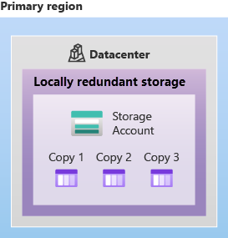
 |  |  | 11 nines of durability (99.999999999%)

 | Zone-redundant storage
 |  | replicates your Azure Storage data synchronously across three Azure availability zones in the primary region
 |  | replicates your Azure Storage data synchronously across three Azure availability zones in the primary region

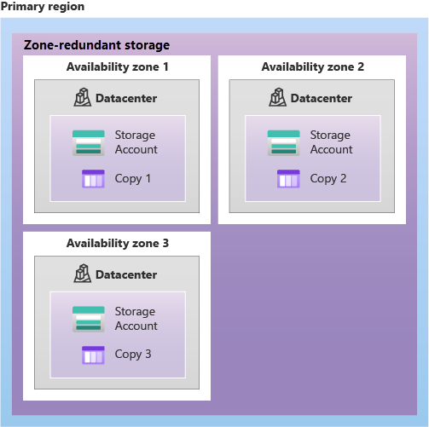
 |  |  |  | 12 nines (99.9999999999%)

Redundancy in a secondary region
 | When you create a storage account, you select the primary region for the account.
 | The paired secondary region is based on Azure Region Pairs, and can't be changed.

 | By default, data in the secondary region isn't available for read or write access unless there's a failover to the secondary region.
 | If the primary region becomes unavailable, you can choose to fail over to the secondary region.
 | After the failover has completed, the secondary region becomes the primary region, and you can again read and write data.

 | recovery point objective (RPO)

 | Geo-redundant storage
 |  | GRS copies your data synchronously three times within a single physical location in the primary region using LRS
 |  | It then copies your data asynchronously to a single physical location in the secondary region (the region pair) using LRS
 |  | 16 nines (99.99999999999999%)

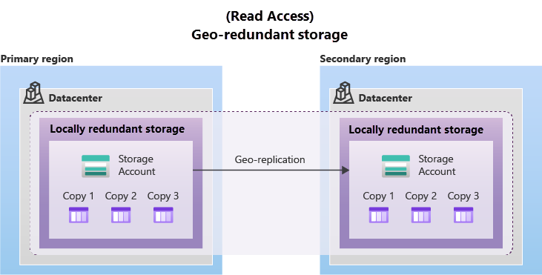

 | Geo-zone-redundant storage
 |  | only standard general-purpose v2 storage account support GZRS
 |  | is copied across three Azure availability zones in the primary region (similar to ZRS) and is also replicated to a secondary geographic region, using LRS

 |  | 16 nines (99.99999999999999%)

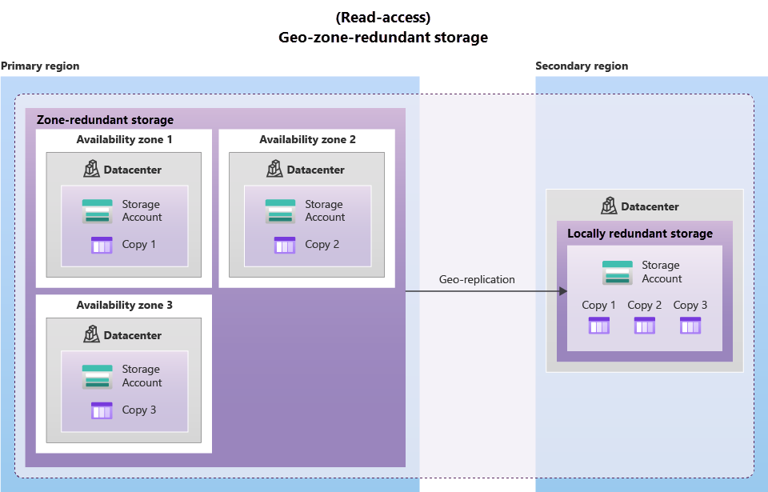

 |  |  |  |  | on ly general purpose v2

 | Read access to data in the secondary region

Azure storage services
Benefits of Azure Storage
 | Durable and highly available
 |  | Redundancy ensures that your data is safe if transient hardware failures occur.
 | Secure
 |  | All data written to an Azure storage account is encrypted by the service
 | Scalable
 |  | scalable to meet the data storage and performance needs
 | Managed
 |  | Azure handles hardware maintenance, updates, and critical issues for you.
 | Accessible
 |  | Data in Azure Storage is accessible from anywhere in the world over HTTP or HTTPS

Azure Blobs
 | object storage
 | store massive amounts of data, such as text or binary data
 | unstructured, meaning that there are no restrictions on the kinds of data it can hold
 | can manage thousands of simultaneous uploads, massive amounts of video data, constantly growing log files, and can be reached from anywhere with an internet connection

 | aren't limited to common file formats
 | doesn't require developers to think about or manage disks.
 | Data is uploaded as blobs, and Azure takes care of the physical storage needs.

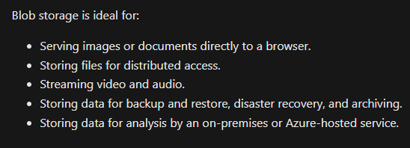

 | Accessing blob storage
 |  | Objects in blob storage can be accessed from anywhere in the world via HTTP or HTTPS
 |  | Users or client applications can access blobs via URLs, the Azure Storage REST API, Azure PowerShell, Azure CLI, or an Azure Storage client library.
 |  | The storage client libraries are available for multiple languages, including .NET, Java, Node.js, Python, PHP, and Ruby.

 | Blob storage tiers
 |  | hot | accessed frequently
 |  | cool | infrequently accessed
 |  |  | at least 30 days (for example, invoices for your customers).
 |  | cold | infrequently accessed
 |  |  | stored for at least 90 days.
 |  | archive | rarely accessed
 |  |  | at least 180 days (for example, long-term backups).

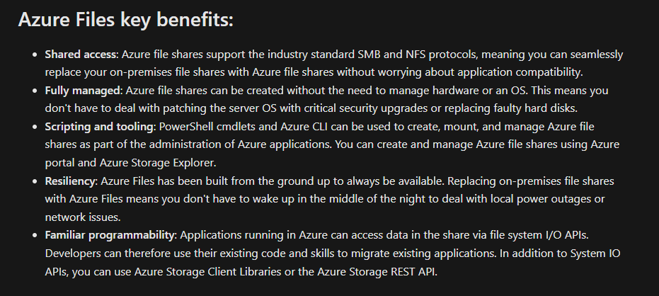
Azure Files
 |  |  |  | Azure files
 |  |  |  |  | PaaS

Azure Queues
 | storing large numbers of messages
 | Once stored, you can access the messages from anywhere in the world via authenticated calls using HTTP or HTTPS
 | Each individual message can be up to 64 KB in size

Azure Disks
 | block-level storage volumes
 | managed by Azure for use with Azure VMs.

Azure Tables
 | structured data, non-relational data.
 | NoSQL datastore

 | This enables you to use Azure tables to build your hybrid or multi-cloud solution and have your data always available

